LDA
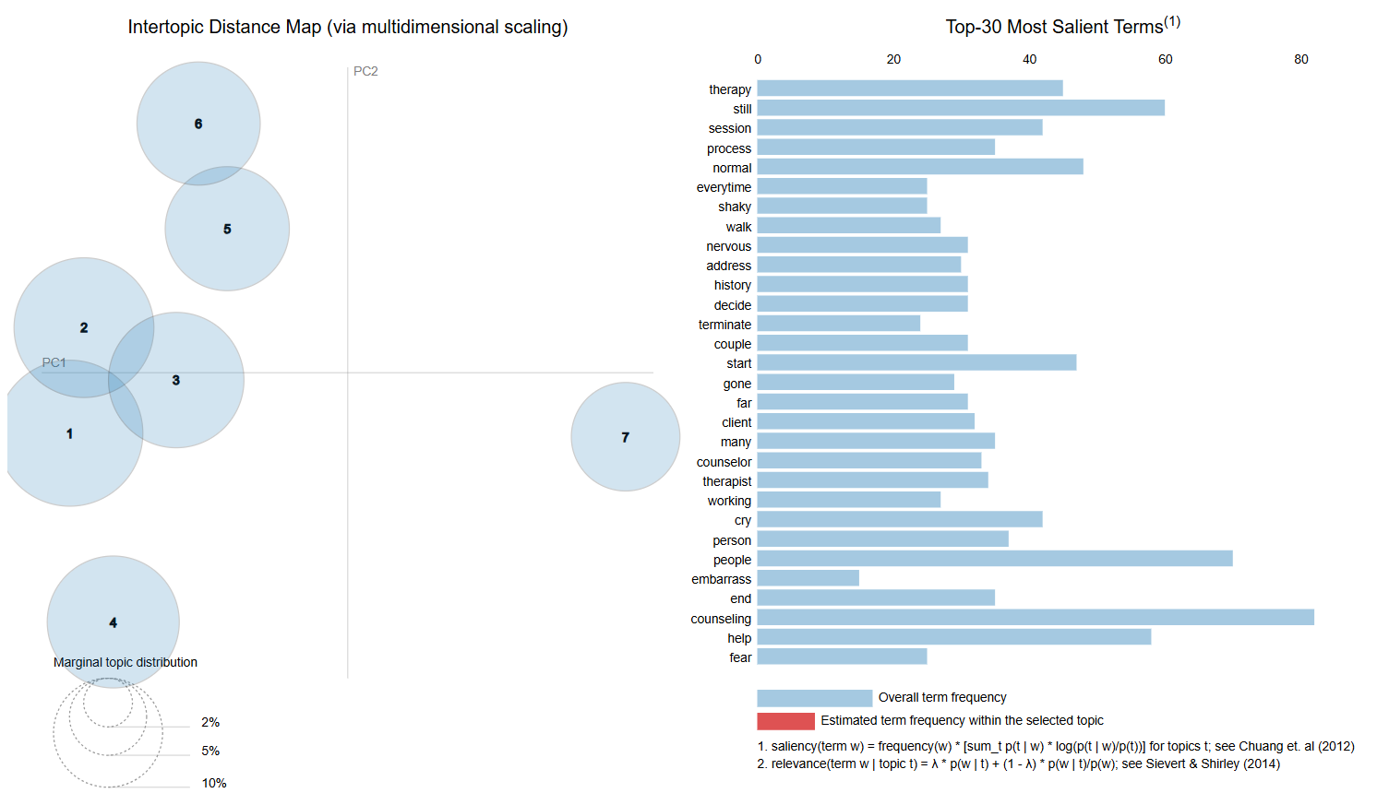
Topic Coherence
Num Topics | Perplexity | Coherence
2 | -8.5448453237 | 0.3270
3 | -8.660860325 | 0.3883
4 | -8.7675533805 | 0.35347541487
5 | -8.905455268 | 0.40581521628
6 | -8.9296792738 | 0.4120730721
7 | -8.9883523716 | 0.45808786896
8 | -9.0291790878 | 0.38525405351
9 | -9.1093325152 | 0.41301525405

Best Coherence Score | 0.45808786896

Perplexity

MMR
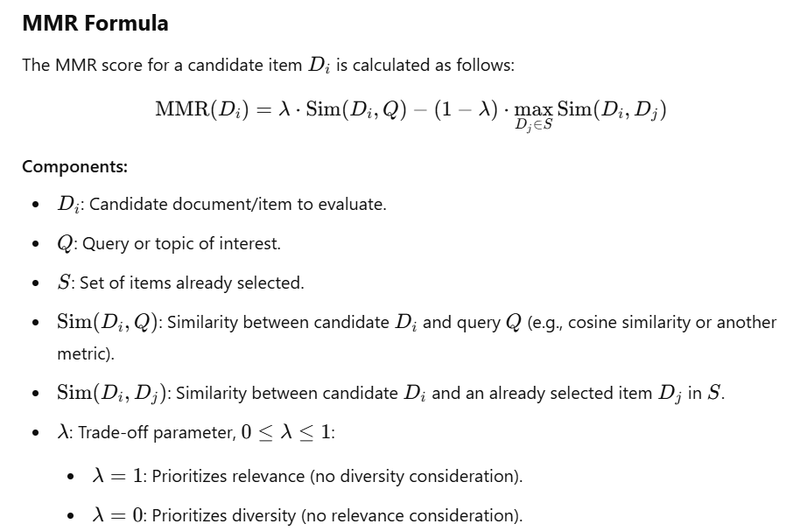
Maximum Marginal Relevance (MMR)

Maximum Marginal Relevance (MMR) is a technique used in information retrieval and text summarization to balance two objectives:

1. Relevance: How relevant a candidate item (e.g., a document, sentence, or keyword) is to the query or topic of interest.
2. Diversity: How dissimilar the candidate item is from the items already selected, ensuring the final results are not redundant.

MMR is designed to select items that are not only relevant but also contribute new information to the result set.

BERTopic
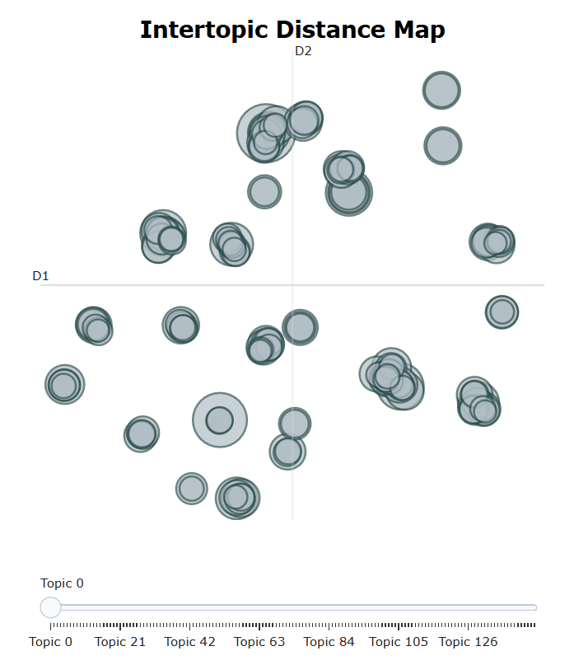
Coherence Score | 0.44690755136
Number of Topics | 148

